Team list
Victory Baseball Team

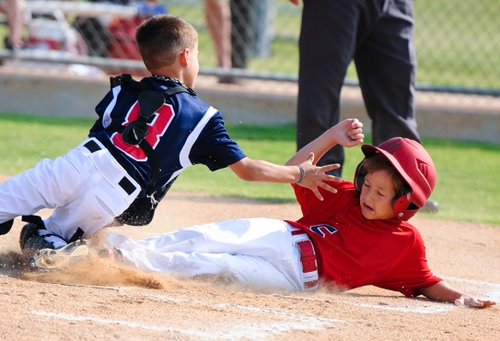



Player List

Name | Tel | E-mail | Parents | Memo
Aaron | 124 - 456 - 789 | email@sample.co.kr | Amy and Piter
Becky | 126 - 456 - 789 | email@sample.co.kr | David
Charles | 129 - 456 - 789 | email@sample.co.kr | Kelly and Sam | Team Leader
Daniel | 131 - 456 - 789 | email@sample.co.kr | Diana and Benny
Eugene | 133 - 456 - 789 | email@sample.co.kr | Stella
Frederick | 134 - 456 - 789 | email@sample.co.kr | Gloria
Gilbert | 135 - 456 - 789 | email@sample.co.kr | Emma and Tom
Henry | 136 - 456 - 789 | email@sample.co.kr | Jasmin

Manager

Name | Tel | E-mail | Position | Memo
Mr. Ryu | 137 - 456 - 789 | email@sample.co.kr | Head Coach

